Sheet1
Please help Little Red Riding Hood find her grandmother's cottage

 | Start ==> | R | D
 |  | D | L
 |  | D | R | R | Cottage
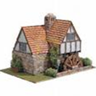
 |  | D | U
 |  | D | U
 |  | R | U

